Key to results
Key to Appendix II assessment results

Overview of data fields in the assessment results

 | Data field | Column(s) | Data source | Further details
Decision tree outcome | Priority group | G | Decision tree data inputs (see below) | CMS Appendix II taxa prioritized according to their conservation status and biological vulnerability:
 |  |  |  | VERY HIGH PRIORITY
 |  |  |  | HIGH PRIORITY
 |  |  |  | MEDIUM PRIORITY
 |  |  |  | LOW PRIORITY
 |  |  |  | INSUFFICIENT INFORMATION
 |  |  |  | EXTINCT
 |  |  |  | Priority groups were determined using decision tree outlined in Figure 1 (see Overview of assessment methodology below).

Decision tree data inputs | IUCN Red List category | H | IUCN Red List | Extinct in the Wild / Critically Endangered / Endangered / Vulnerable / Near Threatened / Least Concern / Data Deficient
 | IUCN population trend | I | IUCN Red List | Increasing / Stable / Decreasing / Unknown
 | Biological vulnerability overall category | Q | Biological vulnerability criteria (see below) | HIGH / MEDIUM/LOW. Aggregate metric of intrinsic biological vulnerability based on the mean score across three separate criteria (1.1 Body size, 1.2 Reproductive output and 1.3 Habitat breadth). Taxa with a mean score of >0.66 across criteria with available data were allocated to the HIGH category. Remaining taxa were considered to have MEDIUM/LOW biological vulnerability.

Biological vulnerability criteria [across all three criteria scores range from 0 to 1; higher scores indicate increased biological vulnerability; taxa with missing data are not scored] | 1.1 Body Size | J, K | Amniote Life History Database, AnAge, FishBase | Large-bodied taxa received a higher score, as these taxa tend to have a relatively slow life history.
 | 1.2 Reproductive output | L, M, N | Amniote Life History Database, AnAge, supplementary data for sharks/rays | Taxa with a low reproductive output (low no. of offspring produced and/or comparatively high age at female maturity) receive a higher score.
 | 1.3 Habitat breadth | O, P | IUCN Red List | Specialist taxa occupying relatively few habitats receive a higher score, compared to generalist taxa occupying a wide range of habitats. Based on the number of habitats reported in IUCN Red List assessment.

Metadata (contextual information) | Date of listing in CMS Appendix II | R | CMS | -
 | URL link to CMS Appendix II listing proposal | S | CMS | -
 | IUCN Red List assesment year | T | IUCN Red List | -
 | Geographic scope of IUCN Red List assessment | U | IUCN Red List | For CMS Appendix II-listed taxa listed at the species-level, IUCN Red List data were obtained from global assessments. However, for Appendix II taxa which are listed at the subspecies or population level, data from relevant regional, subspecies or sub-population IUCN Red List assessments were preferentially used if available. For a given species, all IUCN Red List data and metadata were derived from the same assessment. All data are from v2022-2 of the IUCN Red List.
 | CMS listing notes | V | CMS | Information on the population which the CMS Appendix II listing applies to.
 | National Red List, and regional and subpopulation IUCN Red List assessments (for population listings) | W | National Red Lists website | Details of national red list assessments, as reported on the National Red Lists website (www.nationalredlist.org), including information on the country, status, year and assessment methodology. Metadata provided for population-level listings only.
 | Global population size (IUCN Red List) | X | IUCN Red List | -
 | Existing CMS measures (listing in CMS instruments and Action Plans) | Y | CMS | CMS Agreements, MoUs and current Action Plans the taxon is listed in.
 | Summary of threats (IUCN Red List) | Z | IUCN Red List | Current and future threats affecting a given taxon, according to the IUCN Red List threat classification scheme (https://www.iucnredlist.org/resources/threat-classification-scheme). For each threat, further details are provided on the timing, severity (magnitude of the resulting population declines) and scope (proportion of the population affected).
 | Threatened by intentional biological resource use (IUCN Red List) | AA | IUCN Red List | Whether or not the taxon is affected by IUCN Red List threat sub-categories 5.1.1 (Hunting & collecting terrestrial animals - Intentional use), 5.4.1 (Fishing & harvesting aquatic resources - Intentional use: subsistence/small scale) and 5.4.2 (Fishing & harvesting aquatic resources - Intentional use: large scale). For animal species, these threats correspond to the delibrate targeting of the taxon for harvest. Excludes threats considered ‘Past, Unlikely to Return’.
 | Nomenclature notes | AB | Species+ | Further details of previous taxonomic changes associated with CMS Appendix II-listed taxa.

Overview of rapid assessment methodology

CMS Appendix II-listed taxa were assigned a priority group (column G) on the basis of their conservation status and intrinsic biological vulnerability.
Priority groups reflect the degree to which taxa should be prioritized for further consideration by CMS Parties, and are based on the decision tree outlined below (Figure 1).

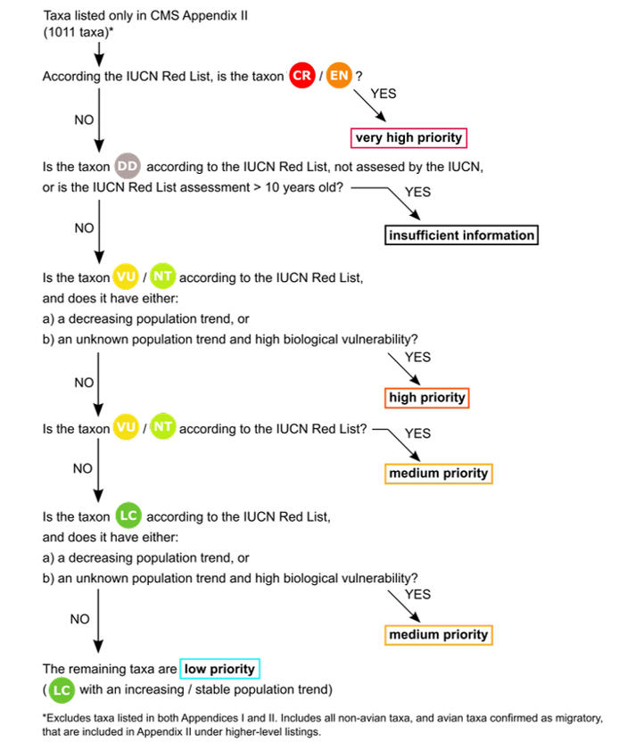
 |  |  |  | Figure 1: Decision tree:
 |  |  |  | Overview of the decision process used to prioritise CMS Appendix II-listed taxa based on their conservation status and an aggregate metric for biological vulnerability.
 |  |  |  | IUCN Red List status categories: EW = Extinct in the Wild, CR = Critically Endangered, EN = Endangered, VU = Vulnerable, NT = Near Threatened, LC = Least Concern, DD = Data Deficient.
 |  |  |  | An additional priority group was included for taxa classified as Extinct by the IUCN Red List.

 |  |  |  | Key considerations related to the decision tree methodology:

 |  |  |  | The priority group that a taxon is ultimately assigned to is primarily determined by its IUCN Red List status.

 |  |  |  | The IUCN population trend and overall biological vulnerability criteria play a subsidiary role in determining the final priority group for a given taxon: the purpose of these inputs is to gauge whether taxa that would otherwise be considered a medium or low priority on the basis of their Red List status warrant greater prioritisation.

 |  |  |  | Data Deficient taxa, taxa not assessed by the IUCN and taxa with potentially outdated IUCN Red List assessments (>10 years old) are allocated to the Insufficient Information group.

 |  |  |  | Taxa included within the analysis:

 |  |  |  | The 118 taxa listed in both Appendices I and II were excluded from this assessment as these taxa have been assessed separately. However, the assessment did include two species (Calidris canutus and Tursiops truncatus) for which a subspecies is also listed on Appendix I (Calidris canutus rufa and Tursiops truncatus ponticus).

 |  |  |  | For Appendix II birds listed under higher taxa, only those identified as migratory by the COP-appointed co-Councillor for birds were included, regardless of conservation status.

